Entity Relationship Diagram
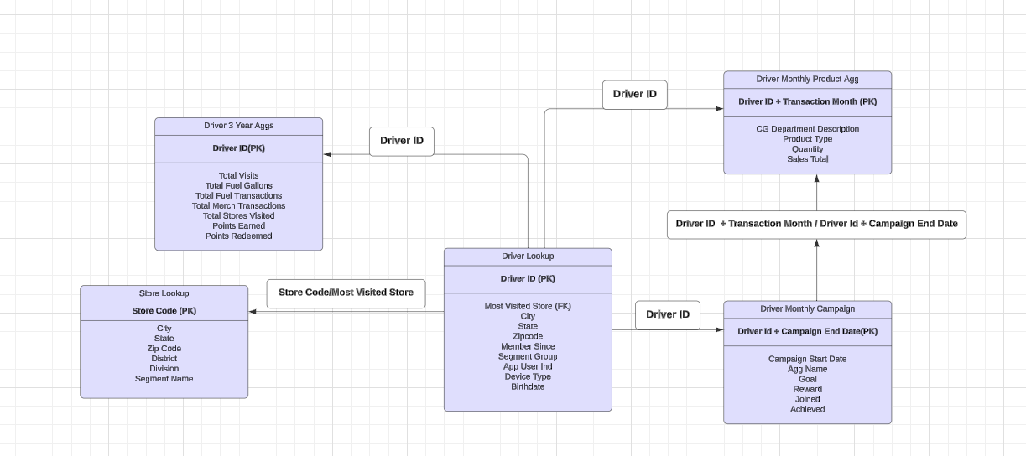

Driver Monthly Campaigns
Driver Level Monthly Campaign
Campaign Months | January 2022 - Present
Description: Looks at each driver's engagement with our monthly campaigns. To understand what products drivers are buying during the campaign month, join to the Monhtly Product Sales table on Driver_Id and CampaignEndDate=Transaction_Month
Columns | Description
Driver_Id | Unique Customer identifier that can be used to join to datasets
AggName | Campaign Type (Gallons Extra, Merch Extra, DEF Extra)
Goal | The number of gallons or Merch Sales a driver must reach to achieve a campaign
Reward | The number of points a driver will earn per gallon/$1 spent if they join and achieve a campaign
CampaignStartDate | First day of the campaign month
CampaignEndDate | Last day of the campaign month
Joined | Did a driver join the campaign. 1 = Yes, 0 = No
JoinedDate | If a driver joined the campaign, what day of the month did this happen
Achieve | Did a driver join a campaign and reach the campaign goal. 1 = Yes, 0 = No
AchieveDate | If a driver achieved a campaign, what day of the month did this happen
CampaignMonthFuelGallons | How many gallons did a driver fuel the month of the campaign
PriorMonthFuelGallons | How many gallons did a driver fuel the month prior to the campaign
CampaignMonthFuelSales | How much fuel sales (in $) did a driver spend in the campaign month
CampaignMonthMerchSales | How much merchandise did a driver buy (in $) during the campaign month
PriorMonthMerchSales | How much merchandise did a driver buy (in $) during the month prior to the campaign
CampaignMonthVisits | How many times did a driver visit Love's during the campaign month
PriorMonthVisits | How many times did a driver visit Love's the month prior to the campaign
CampaignMonthTier | What was the driver's tier the month of the campaign. See table below.
CampaignCost | Cost of points earned by driver
SendChannel | What send channel (Push, Email, SMS) did the driver receive the first campaign join message
SendDate1 | The date of the first join send message. If a driver joins the campaign, they won't receive another message
SendDate2 | The date of the second join send message.
SendDate3 | The date of the third join send message.
SendDate4 | The date of the last join send message.

Campaign Month Tier | Description
Base | Fueled less than 500 gallons the prior month. Drivers who didn't fuel at all the previous month are base tier
Gold | Fueled between 500 and 999 gallons the prior month
Platinum | Fueled between 1000 and 1499 gallons the prior month
Diamond | Fueled 1500 gallons or more the prior month

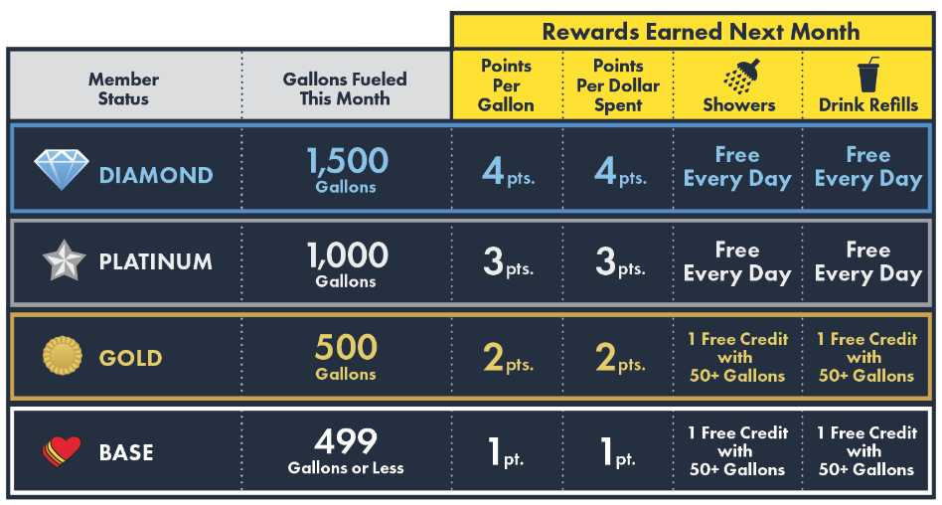
Loyalty Rewards Example
Tier | Gallons Fueled | Points Earned
Base (1 Point per Gallon) | 100 | 100
Gold (2 Point per Gallon) | 100 | 200
Platinum (3 Point per Gallon) | 100 | 300
Diamond (4 Point per Gallon) | 100 | 400

